hazard-category_1
Metrics
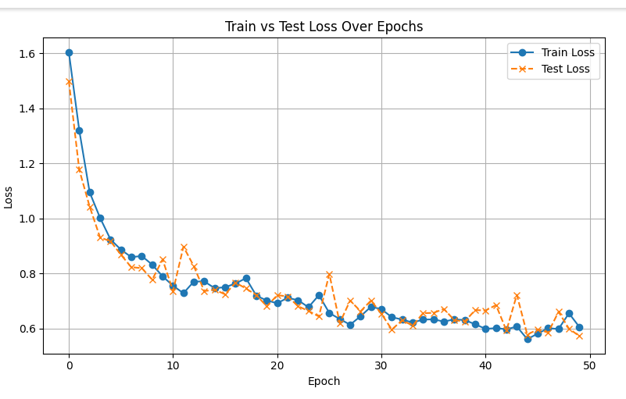
Hazard Category- 12 Classes - Train: 4067, Valid: 1017, lr=0.001
Epochs : | 50
Best Model
Precision | 0.8041
Recall | 0.8397
Weighted-F1 | 0.8124
Macro-F1 | 0.3141
Accuracy | 0.8397
Total Parameters | 659212
hidden_layers | 512, 256
Batch_Size | 32

dropout | 0.4

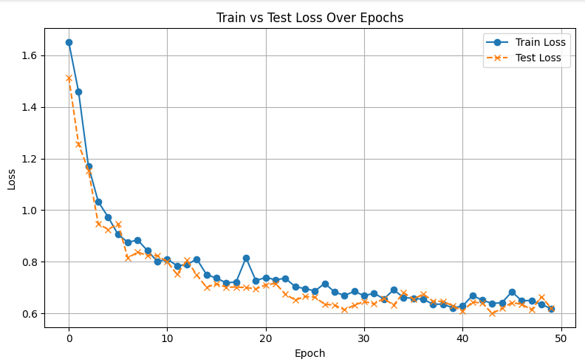
Epochs : | 50

Precision | 0.7739
Recall | 0.8122
Weighted-F1 | 0.7846
Macro-F1 | 0.2879
Accuracy | 0.8122
Total Parameters | 296844
hidden_layers | 256,128
Batch_Size | 32

dropout | 0.4

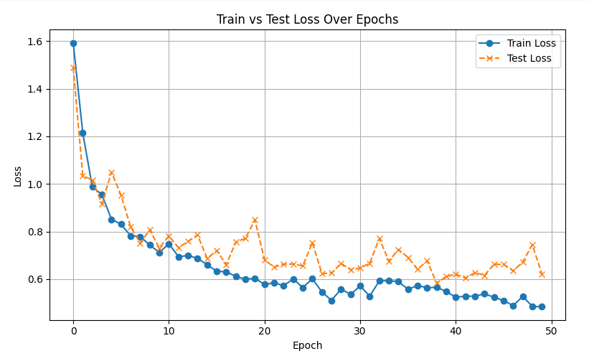
Epochs : | 50

Precision | 0.7963
Recall | 0.8328
Weighted-F1 | 0.8048
Macro-F1 | 0.3133
Accuracy | 0.8328
Total Parameters | 1708812
hidden_layers | 1024, 512, 256
Batch_Size | 32

dropout | 0.2

hazard_2
Metrics
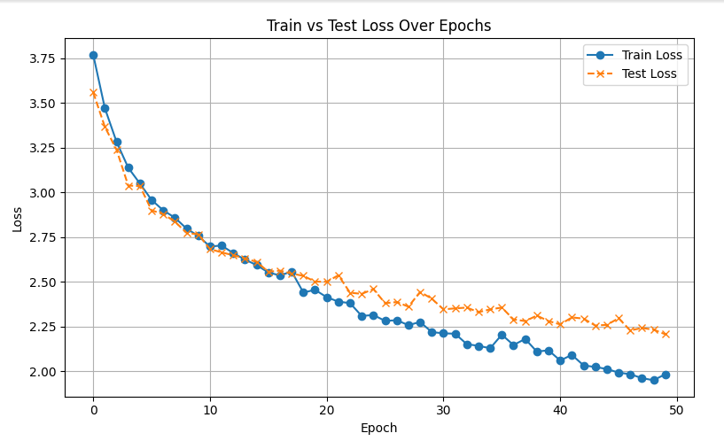
Hazard - 130 Classes - Train: 4067, Valid: 1017, lr=0.001
Epochs : | 50

Precision | 0.3651
Recall | 0.4307
Weighted-F1 | 0.373
Macro-F1 | 0.1064
Accuracy | 0.4307
Total Parameters | 1742722
hidden_layers | 1024, 512, 256
Batch_Size | 32

dropout | 0.5

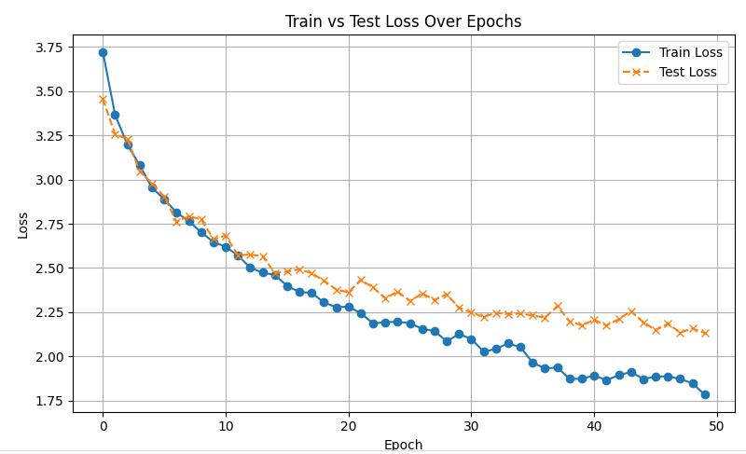
Epochs : | 50
Best Model
Precision | 0.4123
Recall | 0.4631
Weighted-F1 | 0.4186
Macro-F1 | 0.1061
Accuracy | 0.4631
Total Parameters | 691074
hidden_layers | 512, 256
Batch_Size | 32

dropout | 0.5

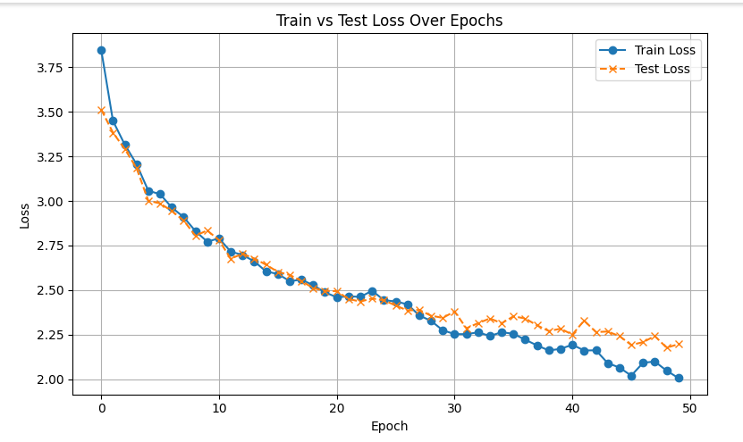
Epochs : | 50

Precision | 0.3994
Recall | 0.4513
Weighted-F1 | 0.3923
Macro-F1 | 0.076
Accuracy | 0.4513
Total Parameters | 312834
hidden_layers | 256, 128
Batch_Size | 32

dropout | 0.5

product-category_3
Metrics
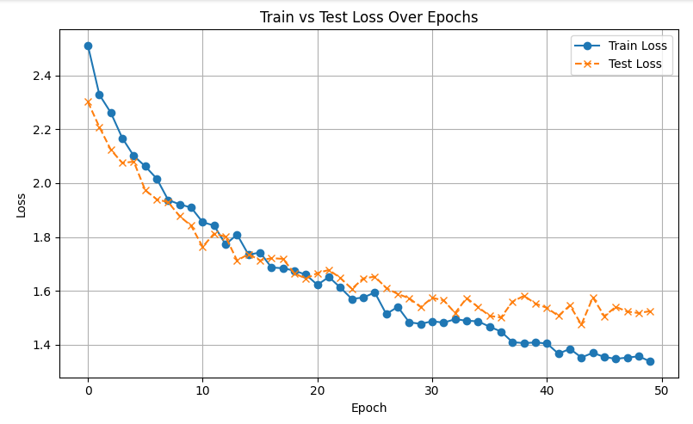
Product Category - 24 Classes - Train: 4067, Valid: 1017, lr=0.001
Epochs : | 50
Best Model
Precision | 0.4781
Recall | 0.529
Weighted-F1 | 0.4873
Macro-F1 | 0.2708
Accuracy | 0.529
Total Parameters | 663832
hidden_layers | 512, 256
Batch_Size | 32

dropout | 0.5

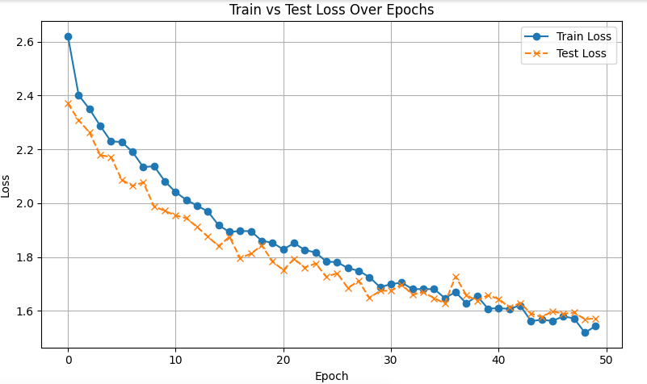
Epochs : | 50

Precision | 0.4536
Recall | 0.5025
Weighted-F1 | 0.4502
Macro-F1 | 0.2015
Accuracy | 0.5025
Total Parameters | 693912
hidden_layers | 512,256,128
Batch_Size | 32
num_layers | 1
dropout | 0.5

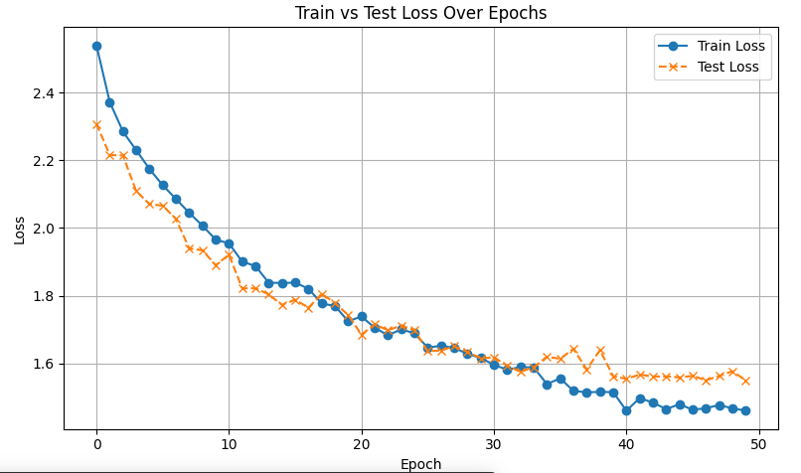
Epochs : | 50

Precision | 0.4886
Recall | 0.5251
Weighted-F1 | 0.4775
Macro-F1 | 0.2479
Accuracy | 0.5251
Total Parameters | 1715480
hidden_layers | 1024, 512, 256
Batch_Size | 32

dropout | 0.5

product_4
Metrics
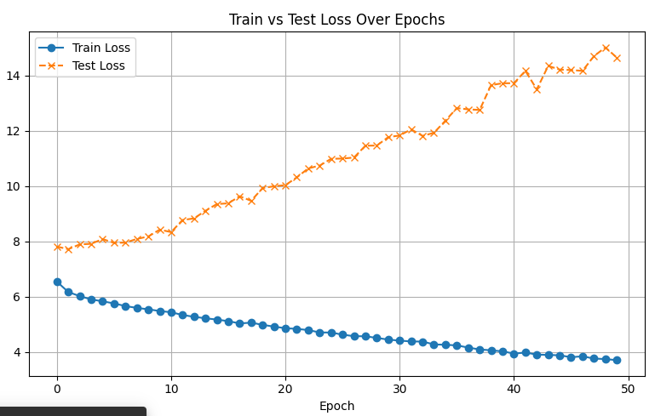
Product - 1024 Classes - Train: 4067, Valid: 1017, lr=0.001
Epochs : | 50

Precision | 0.0031
Recall | 0.0029
Weighted-F1 | 0.003
Macro-F1 | 0.0001
Accuracy | 0.0029
Total Parameters | 920832
hidden_layers | 512, 256
Batch_Size | 32

dropout | 0.5

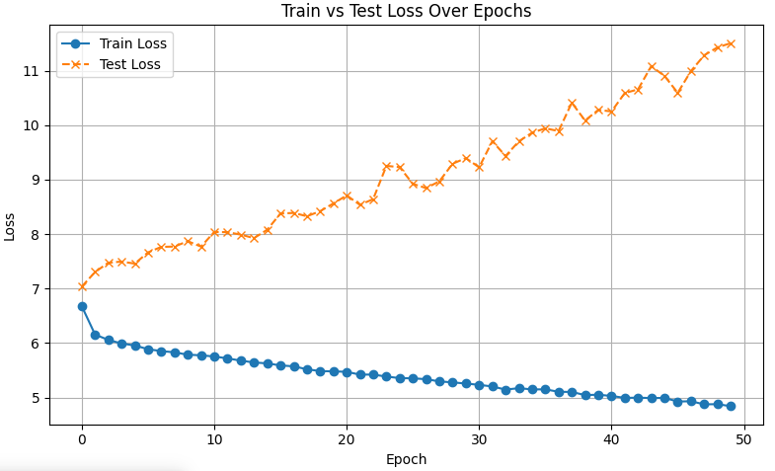
Epochs : | 50

Precision | 0.0011
Recall | 0.001
Weighted-F1 | 0.001
Macro-F1 | 0.0001
Accuracy | 0.001
Total Parameters | 206400
hidden_layers | 128, 64
Batch_Size | 32

dropout | 0.5

